Sheet1
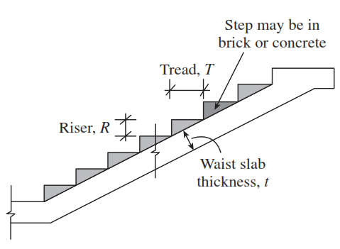
Design of dog-legged staircase supported longitudinally

L2
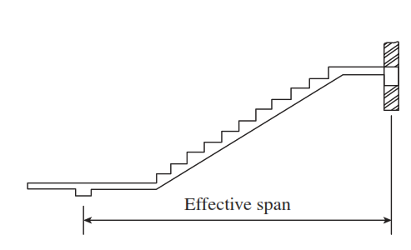
 | Floor to floor height= | 3 m
 | Riser (R)= | 150 mm
 | Tread (T)= | 250 mm
 | First landing width (L1)= | 1250 mm
 | Second landing widht (L2)= | 1250 mm
 | Number of riser in all flights (N)= | 10
L1
 | Width of stair= | 1250 mm
 | Impose load= | 4 KN/m²
 | Floor finishes= | 0.60 KN/m²
 | Beam width (B)= | 230 mm
Step1: calculation of efffective span
 | Effective span= | {(N-1)*T}+L1+L2+(B/2)+(B/2)
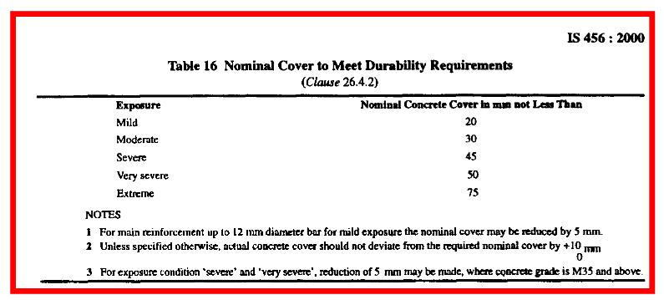
 | = | {(10-1)*250}+1250+1250+230
 | = | 4980 mm
 | Waist Slab thickness= | Leff/20 | For Simply supported condition
 |  | Leff/25 | For continuous end condition
 | = | (4980/20)
 | = | 249 mm | ≈250 mm
Step1: calculation of efffective depth
 | clear cover= | 20 mm | IS 456:2000, Table 16
 | Diameter of bar(Φ)= | 12 mm
 | Effective depth= | 250-20-(12/2)
 | = | 224 mm
 | Landing slab thicknesss= | 200 mm

dog-legged staircase
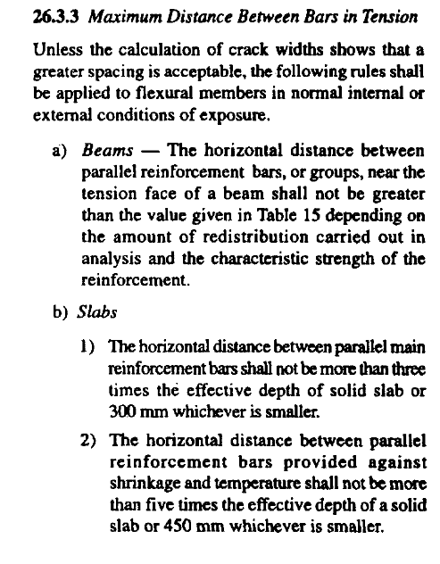
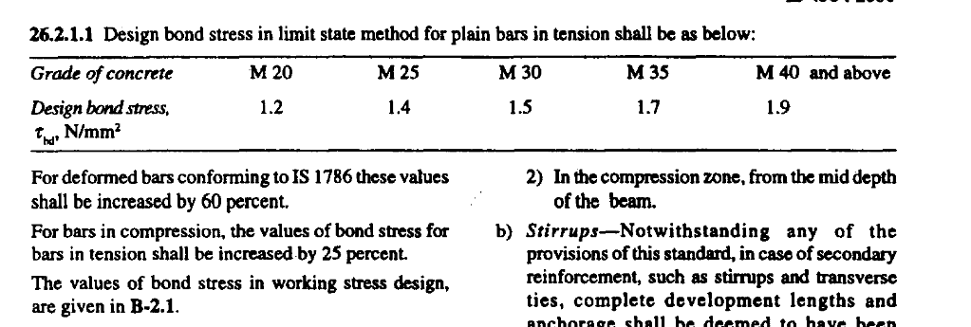
Design of dog-legged staircase supported longitudinally

L2
 |  |  | Floor to floor height= | 2.845 m
 |  |  | Riser (R)= | 175 mm
 |  |  | Tread (T)= | 250 mm
 |  |  | First landing width (L1)= | 1000 mm
 |  |  | Second landing widht (L2)= | 1000 mm
 |  |  | Number of riser in all flights (N)= | 8
L1
 |  |  | Width of stair= | 1000 mm
 |  |  | Impose load= | 3 KN/m²
 |  |  | Floor finishes= | 1.25 KN/m²
 |  |  | Beam width (B)= | 230 mm
 |  |  | Unit wt. of concrete (ϒ)= | 25 KN/m³
 |  |  | Grade of steel (fy)= | 500 N/mm²
 |  |  | Grade of concrete (fck)= | 20 N/mm²
Step1: calculation of efffective span
 |  |  | Effective span (Leff)= | {(N-1)*T}+L1+L2+(B/2)+(B/2)
 |  |  | = | {(8-1)*250}+1000+1000+230
 |  |  | = | 3980 mm
Step2: calculation of efffective depth
 |  |  | clear cover (c)= | 15 mm | IS 456:2000, Table 16
 |  |  | Adopt diameter of bar (Φ)= | 12 mm
$$\frac{Leff}{d}=$$
 |  |  |  | 30 | (asssuming constant= 30-40)
 |  |  | Effective depth (d)= | (Leff/30)
 |  |  | = | 132.66666667 mm
 |  |  | Overall Depth (D)= | d+(Φ/2)+c
 |  |  | = | 132.667+(12/2)+15
 |  |  | = | 153.66666667 mm | ≈155 mm
 |  |  | Provided eff. depth= | 134 mm
$$T$$
Step3: calculation of load
$$D$$
(i) Load on going on projected plan area
 |  |  | Live load= | 3*1 | =3 KN/m
$$R$$
$$\sqrt{R2+T2}$$
 |  |  | Floor finish= | 1.25*1 | =1.25 KN/m
 |  |  | wt. of waist slab= | {ϒ*D*√(R2+T2)}/T
 |  |  | = | 4.7300403011 KN/m
$\{(\frac{1}{2}∗R∗T)∗ϒ\}$/T
 |  |  | wt. of steps= | ϒ*0.5*R
l
 |  |  | = | 2.1875 KN/m
 |  |  | Total load= | 11.17 KN/m
 |  |  | Factored load= | 1.5*11.17
 |  |  | = | 16.751310452 KN/m
$$T$$
(i) Load on landing
l
 |  |  | Live load= | 3*1 | =3.00 KN/m
$$width$$
$$of$$
$$stair$$
 |  |  | Floor finish= | 1.25*1 | =1.25 KN/m
$$R$$
$$\sqrt{R2+T2}$$
 |  |  | self wt. of slab= | ϒ*D*1
 |  |  | = | 3.875 KN/m
 |  |  | Total Load= | 8.125 KN/m
 |  |  | Factored load= | 1.5*8.13
 |  |  | = | 12.1875 KN/m

 |  |  |  | 16.75 KN/m

 | 12.19 KN/m |  |  |  |  | 12.19 KN/m

A |  |  |  |  |  |  |  | B

 | 1.115 m |  |  | 1.75 m |  | 1.115 m
Ra |  |  |  |  |  |  | Rb
 |  |  |  | 3.98 m
Step4: calculation of maximum bending moment and maximum shear force
Taking moment of all forces about point B.
 | Ra*3.98= | [{(12.19*1.115*(1.115/2+1.75+1.115)}+{16.75*1.75*(1.75/2+1.115)}
 |  | +{12.19*1.115*1.115/2)}]
 | Ra*3.98= | 112.421
 | Ra= | 28.25 KN

 | Ra+Rb= | (12.19*1.115)+(16.75*1.75)+(12.19*1.115)
 | 28.25+Rb= | 56.493
 | Rb= | 28.25 KN

$$\frac{W∗L}{2}$$
 | Vmax=
 | = | {12.1875*(1.115+1.115)}+(16.75*1.75))/2
 | = | 28.25 KN

 | Mmax= | -[12.19*1.115*{(1.115/2)+(1.75/2)}]-[16.75*(1.75/2)*(1.75/2*2)]
 |  | +[28.25*{1.115+(1.75/2)}]
 | = | 30.33 KN-m

Step5: Check for depth against bending moment
 | Mmax= | 0.133*fck*b*dreq^2
 | 30.33*10^6= | 0.133*20*1000*dreq^2
 | dreq= | 106.78 mm | (dreq<dprov). Hence OK

$$0.87∗fy∗Ast∗dprov.∗(1−\frac{fy∗Ast}{fck∗b∗dprov.})$$
Step6: Designing the reinforcement
 | Mmax=
 | 30.33*10^6= | 0.87*500*Ast*134*[1-{(500*Ast)/(20*1000*134)}]
 | Ast= | 583.9810178 mm²

 | (Ast)min.= | 0.12% of bD
 | = | (0.12/100)*1000*155
 | = | 186 mm²

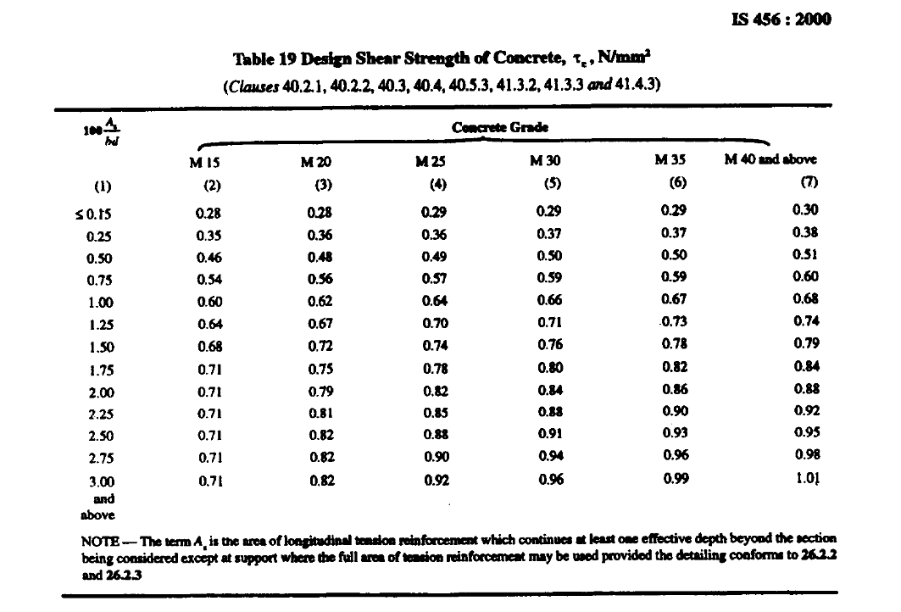
 | Spacing= | [1000/{583.98/(3.142*12^2)/4}]
 | = | 193.66611599 mm | ≈150 mm
Provide 12mm dia. bar @ 150c/c
 | (Ast)prov.= | [1000/{150/(3.142*12^2)/4}]
 | = | 753.98223686 mm²
 | % of stee prov.= | 0.56 %
Step7: Check for shear force
For M20 concrete
 | Shear strength (Ʈc)= | 0.280 N/mm² |  | IS 456:2000, Table-19
$$\frac{Vmax}{bd}$$
 | Ʈmax=
 | = | (28.25*10^3)/(1000*134)
 | = | 0.211 N/mm² |  | OK

Step8: Check for deflection
 | (Leff/d)prov.= | 3980/134
 | = | 29.70

 |  |  | Basic values
 |  |  | Basic value: (α) = | 20 | IS 456:2000 Clause 23.2.1 (a)
 |  |  | Modification factor
 |  |  | (β) = | 1 | IS 456:2000 Clause 23.2.1 (b)
 |  |  | For Tension Reinforcement (γ) = | 1.5 | IS 456:2000 Clause 23.2.1 ( c) fig 4
 |  |  | For Compression Reinforcement (δ) = | 1 | IS 456:2000 Clause 23.2.1 (d) fig 5
 |  |  | Reduction factor for flanged beam (λ) = | 1 | IS 456:2000 Clause 23.2.1 (e) fig 6
 |  |  | For Calculating the the factor γ
0.58fy$\frac{Area of cross−section of steel required}{Area of cross−section of steel provided}$
 |  |  | Steel Stress of service load (fs)=
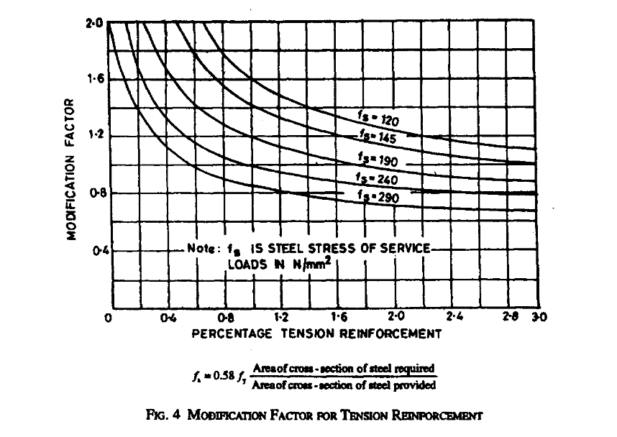
 |  |  | = | 0.58*500*[(Ast.req.)/(Ast.provided)]
 |  |  | = | 224.613
 |  |  | (As/bd) %= | [753.982/(1000*134)]*100
 |  |  |  | 0.563
 |  |  | From fig. 4 of IS 456:2000, (γ ) = | 1.5
 |  |  | Now,
 |  |  | αβγδλ= | 20*1*1.5*1*1
 |  |  | = | 30 | (l/d)<αβγδλ OK
Step9: Development length

$$\frac{Φ∗σs}{4∗τbd}$$
=$\frac{Φ∗0.87∗fy}{4∗τbd}$
 |  |  | Ld=
 |  |  | = | (12*0.87*500)/(4*1.2*1.6))
 |  |  | = | 679.6875 mm
Step10: Distribution bar reinforcement detailing
 |  |  | Spacing= | 1000/{186/(3.142/4*12^2)}
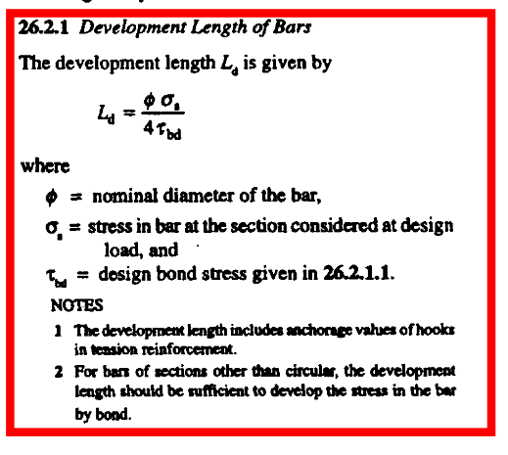
 |  |  | = | 608.05019102 mm
 |  |  | ≤ | 450 mm
 |  |  | ≤ | 670 mm
 |  |  | Spacing provided= | 250 mm
Provide a distribution bar of 12mm dia. @250c/c

openwell staircase
 |  |  | Design of openwell staircase

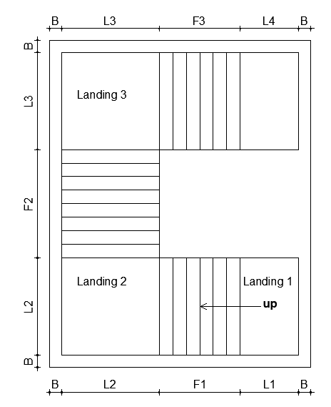
L2
 |  |  | Floor to floor height= | 2.7432 m
 |  |  | Riser (R)= | 177.8 mm
 |  |  | Tread (T)= | 254 mm
 |  |  | Landing (L1)= | 914.4 mm
 |  |  | Flight (F1)= | 1016 mm
 |  |  | Landing (L2)= | 1066.8 mm
 |  |  | Flight (F2)= | 1270 mm
L1
` |  |  | Landing (L3)= | 1066.8 mm
 |  |  | Flight (F3)= | 1016 mm
 |  |  | Landing (L4)= | 914.4 mm
 |  |  | Number of riser in flight 1/fight3 (N1)= | 5
 |  |  | Number of riser in flight 2 (N2)= | 6
 |  |  | Width of stair= | 1066.8 mm
 |  |  | Impose load= | 3 KN/m²
 |  |  | Floor finishes= | 1.25 KN/m²
 |  |  | Beam width/Brickwall width (B)= | 230 mm
 |  |  | Unit wt. of concrete (ϒ)= | 25 KN/m³
 |  |  | Grade of steel (fy)= | 500 N/mm²
 |  |  | Grade of concrete (fck)= | 20 N/mm²
Design of Landing 1 and Flight F1
Step1: calculation of efffective span
 |  |  | Effective span (Leff)= | {(N1-1)*T}+L1+(L2/2)+(B/2)
 |  |  | = | {(5-1)*254}+914.4+533.4+115
 |  |  | = | 2578.8 mm
Step2: calculation of efffective depth
 |  |  | clear cover (c)= | 15 mm | IS 456:2000, Table 16
 |  |  | Adopt diameter of bar (Φ)= | 12 mm
$$\frac{Leff}{d}=$$
 |  |  |  | 30 | (asssuming constant= 30-40)
 |  |  | Effective depth (d)= | (Leff/30)
 |  |  | = | 85.96 mm
 |  |  | Overall Depth (D)= | d+(Φ/2)+c
 |  |  | = | 85.96+(12/2)+15
 |  |  | = | 106.96 mm | ≈110 mm
 |  |  | Provided eff. depth= | 89 mm
$$T$$
Step3: calculation of load
$$D$$
(i) Load on going on projected plan area
 |  |  | Live load= | 3*1 | =3 KN/m
$$R$$
$$\sqrt{R2+T2}$$
 |  |  | Floor finish= | 1.25*1 | =1.25 KN/m
 |  |  | wt. of waist slab= | {ϒ*D*√(R2+T2)}/T
 |  |  | = | 3.3568027943 KN/m
$\{(\frac{1}{2}∗R∗T)∗ϒ\}$/T
 |  |  | wt. of steps= | ϒ*0.5*R
l
 |  |  | = | 2.2225 KN/m
 |  |  | Total load= | 9.83 KN/m
 |  |  | Factored load= | 1.5*9.83
 |  |  | = | 14.743954191 KN/m
$$T$$
(ii) Load on landing
l
 |  |  | Live load= | 3*1 | =3.00 KN/m
$$width$$
$$of$$
$$stair$$
 |  |  | Floor finish= | 1.25*1 | =1.25 KN/m
$$R$$
$$\sqrt{R2+T2}$$
 |  |  | self wt. of slab= | ϒ*D*1
 |  |  | = | 2.75 KN/m
 |  |  | Total Load= | 7 KN/m
 |  |  | Factored load= | 1.5*7
 |  |  | = | 10.5 KN/m

 |  |  |  | 14.74 KN/m

 | 5.25 KN/m |  |  |  |  | 10.50 KN/m

A |  |  |  |  |  |  |  | B
 |  | Y |  | C
 |  |  | x
 | 0.533 m |  |  | 1.02 m |  | 1.029 m
Ra |  |  |  |  |  |  | Rb
 |  |  |  | 2.5788 m
Step4: calculation of maximum bending moment and maximum shear force
Taking moment of all forces about point B.
 | Ra*2.5788= | [{(5.25*0.5334*(0.5334/2+1.016+1.0294)}+{14.74*1.016*(1.016/2+1.0294)}
 |  | +{10.5*1.0294*1.0294/2)}]
 | Ra*2.5788= | 35.068
 | Ra= | 13.60 KN

 | Ra+Rb= | (5.25*0.5334)+(14.74*1.016)+(10.5*1.0294)
 | 13.6+Rb= | 28.589
 | Rb= | 14.99 KN
Zero Shear Force Point (at a distance x from point Y)

 | x= | {13.599-(5.25*0.533)}/14.744
 | x= | 0.732 m

Taking moment about point C.
 | ∑Mc= | (13.599*(0.533+0.732))-(5.25*0.533*(0.533/2+0.73))-(14.74*0.732*0.732/2)
 | Mmax= | 10.46 KN

Step5: Check for depth against bending moment
 | Mmax= | 0.133*fck*b*dreq^2
 | 10.46*10^6= | 0.133*20*1000*dreq^2
 | dreq= | 62.71 mm | (dreq<dprov). Hence OK

$$0.87∗fy∗Ast∗dprov.∗(1−\frac{fy∗Ast}{fck∗b∗dprov.})$$
Step6: Designing the reinforcement
 | Mmax=
 | 10.46*10^6= | 0.87*500*Ast*89*[1-{(500*Ast)/(20*1000*89)}]
 | Ast= | 294.57576438 mm²

 | (Ast)min.= | 0.12% of bD
 | = | (0.12/100)*1000*110
 | = | 132 mm²

 | Spacing= | [1000/{294.58/(3.142*12^2)/4}]
 | = | 383.9329273 mm | ≈150 mm
Provide 12mm dia. bar @ 150c/c
 | (Ast)prov.= | [1000/{150/(3.142*12^2)/4}]
 | = | 753.98223686 mm²
 | % of steel prov.= | 0.85 %
Step7: Check for shear force
For M20 concrete
 | Shear strength (Ʈc)= | 0.280 N/mm² |  | IS 456:2000, Table-19
$$\frac{Vmax}{bd}$$
 | Ʈmax=
 | = | (14.99*10^3)/(1000*89)
 | = | 0.168 N/mm² |  | OK

Step8: Check for deflection
 | (Leff/d)prov.= | 2578.8/89
 | = | 28.98

 |  |  | Basic values
 |  |  | Basic value: (α) = | 20 | IS 456:2000 Clause 23.2.1 (a)
 |  |  | Modification factor
 |  |  | (β) = | 1 | IS 456:2000 Clause 23.2.1 (b)
 |  |  | For Tension Reinforcement (γ) = | 1.7 | IS 456:2000 Clause 23.2.1 ( c) fig 4
 |  |  | For Compression Reinforcement (δ) = | 1 | IS 456:2000 Clause 23.2.1 (d) fig 5
 |  |  | Reduction factor for flanged beam (λ) = | 1 | IS 456:2000 Clause 23.2.1 (e) fig 6
 |  |  | For Calculating the the factor γ
0.58fy$\frac{Area of cross−section of steel required}{Area of cross−section of steel provided}$
 |  |  | Steel Stress of service load (fs)=
 |  |  | = | 0.58*500*[(Ast.req.)/(Ast.provided)]
 |  |  | = | 113.301
 |  |  | (As/bd) %= | [753.982/(1000*89)]*100
 |  |  |  | 0.847
 |  |  | From fig. 4 of IS 456:2000, (γ ) = | 1.7
 |  |  | Now,
 |  |  | αβγδλ= | 20*1*1.7*1*1
 |  |  | = | 34 | (l/d)<αβγδλ OK
Step9: Development length

$$\frac{Φ∗σs}{4∗τbd}$$
=$\frac{Φ∗0.87∗fy}{4∗τbd}$
 |  |  | Ld=
 |  |  | = | (12*0.87*500)/(4*1.2*1.6))
 |  |  | = | 679.6875 mm
Step10: Distribution bar reinforcement detailing
 |  |  | Adopt distribution bar dia.= | 10
 |  |  | Spacing= | 1000/{132/(3.142/4*10^2)}
 |  |  | = | 594.99860863 mm
 |  |  | ≤ | 450 mm
 |  |  | ≤ | 445 mm
 |  |  | Spacing provided= | 150 mm
Provide a distribution bar of 10mm dia. @150c/c

Design of Landing 2, Flight 2 and Landing 3
Step1: calculation of effective span
 |  |  | Effective span (Leff)= | {(N2-1)*T}+(L1/2)+(L2/2)
 |  |  |  | {(6-1)*254}+457.2+533.4
 |  |  |  | 2260.6 mm

Step2: calculation of effective depth
 |  |  | Effective depth (d)= | (Leff/30)
 |  |  | = | 75.353333333 mm
 |  |  | Overall Depth (D)= | d+(Φ/2)+c
 |  |  | = | 75.353+(12/2)+15
 |  |  | = | 96.353333333 mm | ≈100 mm
 |  |  | Provided eff. depth= | 79 mm

Step3: calculation of load
(i) Load on going on projected plan area
 |  |  | Live load= | 3.00 KN/m
 |  |  | Floor finish= | 1.25 KN/m
 |  |  | wt. of waist slab= | 3.0516389039 KN/m
 |  |  | wt. of steps= | 2.2225 KN/m
 |  |  | Total load= | 9.52 KN/m
 |  |  | Factored load= | 14.29 KN/m
(iI) Load on landing
 |  |  | Live load= | 3.00 KN/m
 |  |  | Floor finish= | 1.25 KN/m
 |  |  | self wt. of slab= | 2.50 KN/m
 |  |  | Total load= | 6.75 KN/m
 |  |  | Factored load= | 10.13 KN/m

 |  |  |  | 14.29 KN/m

 | 5.06 KN/m |  |  |  |  | 5.06 KN/m

A |  |  |  |  |  |  |  | B

 | 0.533 m |  |  | 1.27 m |  | 0.533 m
Ra |  |  |  |  |  |  | Rb
 |  |  |  | 2.3368 m

Step4: calculation of maximum bending moment and maximum shear force

$$\frac{W∗L}{2}$$
 |  |  | Vmax=
 |  |  | Vmax= | 11.77 KN
Moment is maximum at center point of loading diagram shown above.
 |  |  | Mmax= | 8.44 KN-m

Step5: Check for depth against bending moment
 | Mmax= | 0.133*fck*b*dreq^2
 | 8.44*10^6= | 0.133*20*1000*dreq^2
 | dreq= | 56.33 mm | (dreq<dprov). Hence OK

$$0.87∗fy∗Ast∗dprov.∗(1−\frac{fy∗Ast}{fck∗b∗dprov.})$$
Step6: Designing the reinforcement
 | Mmax=
 | 8.44*10^6= | 0.87*500*Ast*79*[1-{(500*Ast)/(20*1000*79)}]
 | Ast= | 268.37121664 mm²

 | (Ast)min.= | 0.12% of bD
 | = | 120 mm²

 | Spacing= | [1000/{268.37/(3.142*12^2)/4}]
 | = | 421.42125726 mm | ≈150 mm
Provide 12mm dia. bar @ 150c/c
 | (Ast)prov.= | [1000/{150/(3.142*12^2)/4}]
 | = | 753.98223686 mm²
 | % of stee prov.= | 0.95 %

Step7: Check for shear force
For M20 concrete
 | Shear strength (Ʈc)= | 0.280 N/mm² |  | IS 456:2000, Table-19
$$\frac{Vmax}{bd}$$
 | Ʈmax=
 | = | (11.77*10^3)/(1000*79)
 | = | 0.149 N/mm² |  | OK

Step8: Check for deflection
 | (Leff/d)prov.= | 2260.6/79
 | = | 28.62

 |  |  | Basic values
 |  |  | Basic value: (α) = | 20 | IS 456:2000 Clause 23.2.1 (a)
 |  |  | Modification factor
 |  |  | (β) = | 1 | IS 456:2000 Clause 23.2.1 (b)
 |  |  | For Tension Reinforcement (γ) = | 1.5 | IS 456:2000 Clause 23.2.1 ( c) fig 4
 |  |  | For Compression Reinforcement (δ) = | 1 | IS 456:2000 Clause 23.2.1 (d) fig 5
 |  |  | Reduction factor for flanged beam (λ) = | 1 | IS 456:2000 Clause 23.2.1 (e) fig 6
 |  |  | For Calculating the the factor γ
0.58fy$\frac{Area of cross−section of steel required}{Area of cross−section of steel provided}$
 |  |  | Steel Stress of service load (fs)=
 |  |  | = | 0.58*500*[(Ast.req.)/(Ast.provided)]
 |  |  | = | 103.222
 |  |  | (As/bd) %= | [753.982/(1000*79)]*100
 |  |  |  | 0.954
 |  |  | From fig. 4 of IS 456:2000, (γ ) = | 1.5
 |  |  | Now,
 |  |  | αβγδλ= | 20*1*1.5*1*1
 |  |  | = | 30 | (l/d)<αβγδλ OK
Step9: Development length

$$\frac{Φ∗σs}{4∗τbd}$$
=$\frac{Φ∗0.87∗fy}{4∗τbd}$
 |  |  | Ld=
 |  |  | = | (12*0.87*500)/(4*1.2*1.6))
 |  |  | = | 679.6875 mm
Step10: Distribution bar reinforcement detailing
 |  |  | Adopt dis. bar dia.= | 10
 |  |  | Spacing= | 1000/{120/(3.142/4*10^2)}
 |  |  | = | 654.4984695 mm
 |  |  | ≤ | 450 mm
 |  |  | ≤ | 395 mm
 |  |  | Spacing provided= | 150 mm
Provide a distribution bar of 10mm dia. @150c/c

SUMMARY
For landing 1,Flight1 and Flight3
Provide 12mm dia. bar @ 150c/c
Provide a distribution bar of 10mm dia. @150c/c
For landing2, Flight 2 and Landing 3
Provide 12mm dia. bar @ 150c/c
Provide a distribution bar of 10mm dia. @150c/c

